Guide
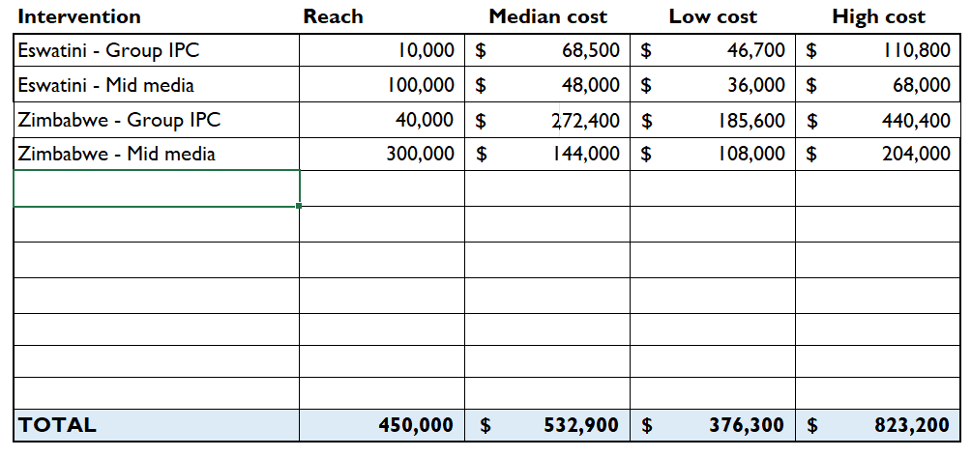
Guide to the SBC Costing Tool
The SBC Costing Tool allows users to enter in the characteristics of an SBC intervention to generate a range of estimated unit costs, based on an analysis of the SBC costing literature. The unit costs can be used in two ways:
1. To estimate intervention reach based on the budget (green tab)
2. To estimate intervention budget based on reach (purple tab)
Once you select the appropriate tab, there are five steps that can be taken when using the tool.

 | Note that cells in yellow indicate user inputs and cells in blue represent outputs

 |  |  | tool inputs
 |  |  | tool outputs

 | Step 1. Use the dropdown menus to select SBC intervention characteristics
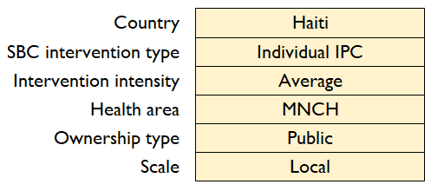
Start by selecting the country of the SBC intervention. If the intervention is in multiple countries, one can enter results for different countries in the accompanying table in Step 5.
Users can click on the "click here to review" links for more information on how to select the most appropriate characteristic for the intervention.

 | Step 2. Review estimated unit costs
Based on the selections made in Step 1, an estimated unit cost is generated, along with a range of values based on sensitivity analyses. While the tool presents an estimated rate of unit costs, the overall range for different SBC interventions vary substantially. Further details on reported unit costs can be found in the SBC Cost Repository.
 |  |  |  | Sensitivity range for analysis estimate
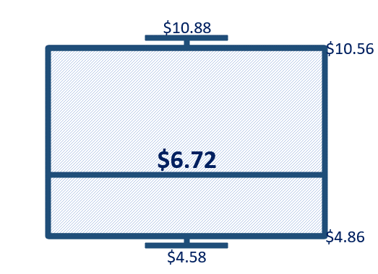

 |  | Point estimate

 | Step 3. Enter in estimated budget or reach
If using the green tab, enter in your total estimated budget for the SBC intervention. The budget should include funds for both the development and the implementation of the SBC intervention over the life of the intervention.
If using the purple tab, enter in your total estimated reach for the SBC intervention. The reach should estimate the total number of people reached over the life of the intervention.

 | Step 4. Adjust unit costs, if necessary
Most users will not need to adjust the unit costs and will leave the input setting as its default value of 0%. If one has reason to believe that the unit costs will be higher or lower than the estimated values, then they can adjust the unit costs by entering in a percentage change. Lower expected costs would be entered as a negative percentage (e.g., -25%) and higher costs as a positive percentage (e.g., 10%). Some examples where adjusting the unit costs might be reasonable include:
* A mass media campaign where there will be a lot of donated air time, estimated at 30% of the total cost of the intervention (enter -30%).
* A group IPC intervention where the labor of the counselors will be paid for under a different mechanism, estimated at 25% of the total costs (enter -25%)
* An SMS/text message intervention that has already been designed under a different project and will be implemented in the next budgeting phase - with design costs estimated at 15% (enter -15%)
* An individual IPC intervention using a more advanced platform that will require the purchase of software and several tablets for interviewers, estimated to be an additional 20% of the total costs (enter 20%)
* A novel high-intensity intervention expected to be of even greater intensity than the "high intensity" designation with costs expected to be twice those of other high intensity costs (enter 100%)

 | Step 5. Copy output into table

 |  |  |  |  | example from green tab

 |  |  |  |  | example from purple tab

The output generated by Steps 1-4 will yield a row of outputs (as shown above) for a single set of intervention characteristics. If an SBC program has more than one type of SBC intervention or will take place in more than one country, use this table to compile your estimates. The compiled table can then be copied into budgets or other documents.
When using the table feature, select the cells in this row (AG9:AK9) and copy them (Ctrl+C) and paste them into the table below using the "paste values" function. To paste values in the table, select the cells where you want to paste the values and use (Ctrl+Alt+V) to bring up the Paste Special menu and then select "Values". If desired, one can rename the intervention name to account for looking across countries as well as interventions. The table will show total budget and estimated reach, with a range of low to high reach estimates.

 |  | example green tab
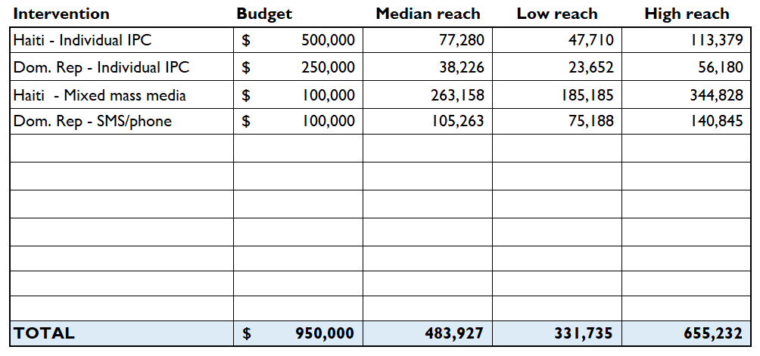
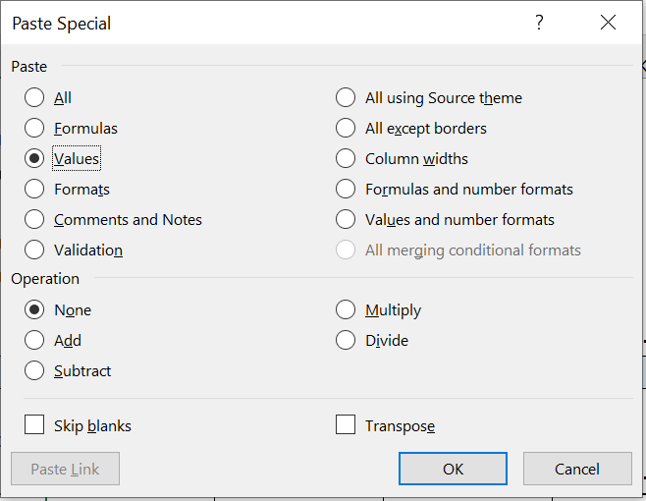

 |  | example purple tab

Estimate reach
SBC Costing Tool - Estimate Intervention Reach
 |  |  | 3. Enter in estimated budget |  | 4. Adjust unit costs, if necessary
 |  |  | Enter in budget | $100,000 | Enter % | 0%
1. Use the dropdown menus to select SBC intervention characteristics |  |  | Median unit cost | $0.88
Country | Uzbekistan |  | Lower estimate | $0.66
SBC intervention type | SMS/phone | Click here to review SBC intervention types | Higher estimate | $1.24
Intervention intensity | Average | Click here to review intervention intensity
Health area | HIV | Click here to review health areas | Intervention | Budget | Median reach | Low reach | High reach
Ownership type | Public | Click here to review ownership | SMS/phone | $100,000 | 113,636 | 80,645 | 151,515
Scale | Local | Click here to review scale
 | Other |  | 5. Copy row above into table below - paste values
2. Review estimated unit costs |  |  | Intervention | Budget | Median reach | Low reach | High reach
Estimated unit cost based on selections | $0.88 | person exposed

Expected range of SBC costs for this intervention are shown in the chart below
Uzbekistan / SMS/phone / Average Intensity / HIV / Public Ownership

min | $0.66
q1 | $0.79
median | $0.88
q3 | $1.04 |  | TOTAL | $- | - | - | -
max | $1.24

Title | Uzbekistan / SMS/phone / Average Intensity / HIV / Public Ownership

While the tool presents an estimated rate of unit costs, the overall range for different SBC interventions vary substantially. Further details on reported unit costs can be found in the SBC Cost Repository.

Estimate budget
SBC Costing Tool - Estimate Intervention Budget
 |  |  | 3. Enter in estimated reach |  | 4. Adjust unit costs, if necessary
 |  |  | Enter reach | 300,000 | Enter % | 0%
1. Use the dropdown menus to select SBC intervention characteristics |  |  | Median unit cost | $9.48
Country | Zimbabwe |  | Lower estimate | $6.46
SBC intervention type | Group IPC | Click here to review SBC intervention types | Higher estimate | $15.35
Intervention intensity | High | Click here to review intervention intensity
Health area | FP/RH | Click here to review health areas | Intervention | Reach | Median cost | Low cost | High cost
Ownership type | NGO | Click here to review ownership | Group IPC | 300,000 | $2,844,000.00 | $1,938,000.00 | $4,605,000.00
Scale | Regional | Click here to review scale
 | Sub-saharan Africa |  | 5. Copy row above into table below - paste values
2. Review estimated unit costs |  |  | Intervention | Reach | Median cost | Low cost | High cost
Estimated unit cost based on selections | $9.48 | per person participating

Expected range of SBC costs for this intervention are shown in the chart below
Zimbabwe / Group IPC / High Intensity / FP/RH / NGO Ownership

min | $6.46
q1 | $7.24
median | $9.48
q3 | $14.45 |  | TOTAL | - | $- | $- | $-
max | $15.35

Title | Zimbabwe / Group IPC / High Intensity / FP/RH / NGO Ownership

While the tool presents an estimated rate of unit costs, the overall range for different SBC interventions vary substantially. Further details on reported unit costs can be found in the SBC Cost Repository.

Review
Click here to return to tool
Review the descriptions of SBC intervention types below:
Radio and TV - includes messages, performances, and serial dramas/edutainment with the focus on behavior change.
Print - includes messages printed in newspapers, magazines, posters and flyers.
Mixed mass media - includes SBC interventions that employ a combination of mass media interventions (e.g., radio, magazine, and flyers).
Mid media - includes interventions communicating at the community level, such as live dramas (e.g., street shows) and community announcements.
SMS/phone - includes SBC messaging sent to individuals via SMS or automated phone calls, such as text message appointment reminders or suggestions for health care seeking or healty behaviors.
Individual IPC - includes one-on-one counseling interventions, such as facility-based or home-based IPC and can include both professional and peer-based counseling.
Group IPC - includes counseling conducted in a group setting, such as support groups or educational settings. Can include both professional and peer-based counseling.
IPC + other - includes IPC (individual or group) conducted in conjunction with other SBC interventions, such as community engagement or media intervention. This category can represent packages of SBC interventions that include a strong IPC component. It was created to capture IPC interventions that include community engagement since the SBC costing literature does not provide estimates of the unit costs of community engagement on its own.
Provider communication - includes either (1) an SBC intervention designed to address a provider’s knowledge and attitudes to change a specific behavior (i.e. provider behavior change) or (2) an SBC intervention implemented by a provider designed to address a patient’s knowledge and attitudes to change a specific behavior (i.e. service communication).

Click here to return to tool
Review the descriptions of SBC intensity below:
The "intensity" of an SBC intervention is an important factor in the estimated SBC unit cost and it factors in multiple dimensions, including how much time and effort went into the design and development of the intervention prior to implementation, how long the intervention was implemented for and how frequently an individual is exposed to or participates in the intervention. Due to the many dimensions of intensity, classifying the intensity of a specific intervention is subjective and based on one's understanding of what is a typical, or average, SBC intervention and what qualifies to be designated as deviating from the average. For example, an intervention may be highly intensive on some dimensions and average or even low in others. As such, we recommend reviewing the dimensions and examples provided in the table below and selecting the intensity based on the users best judgement.

Intensity dimension | Low | Average | High
Design effort | Minimal time and cost spent in the design phase (e.g., < 1 month, <5% of total costs) | Average time and cost spent on design phase (e.g., 4 months, 20% of total costs) | Substantial time and cost spent on the design phase (e.g., 10 months, 30%+ of total costs)
Duration of implementation | Short (e.g., < 3 months) | Average (e.g., 12 months) | Long-term (e.g., 4 years)
Exposure to intervention | Minimal (e.g., one visit or message recall) | Average (e.g., 3 visits or message recall) | High (e.g., 6 visits or regular message listener)
Media approach example | Simple public service announcement | Series of spots with a produced song and multiple messages | Interactive call-in show or complex edutainment plotlines
Mobile digital approach | Simple SMS reminder | Series of messages sent | Includes interactive, two-way communication
IPC - counselors | Peer counseling with minimal training | Volunteer or low-pay professionals (e.g., community health workers) | Employed professionals with more than minimum wage
IPC - extent of training | Less than 1 day | 1 to 5 days | 1 week or more
Group IPC - number of participants per group | >20 | 10 to 20 | <10
IPC - ratio of counselors to clients | 1:100+ | 1:25-100 | 1:<25

Click here to return to tool
Review the descriptions of health areas below:
FP/RH- family planning and reproductive health interventions that focus on the intermediate determinants of FP/RH behaviors, including modern contraceptive use, birth spacing, delaying first births, and preventing sexually transmitted infections other than HIV.
HIV - including interventions that focus on the intermediate determinants of HIV prevention and treatment behaviors, including condom use, voluntary counseling and testing, ART treatment, voluntary medical male circumcision, and the use of pre-exposure prophylaxis and post-exposure prophylaxis.
MNCH- maternal and child health plus nutrition interventions that focus on the intermediate determinants of MNCH behaviors, including antenatal care, skilled or facility-based deliveries, postnatal care, breastfeeding and complementary feeding, nutritional supplementation, and childnood vaccinations.
Malaria- malaria interventions that focus on the intermediate determinants of malaria prevention and treatment, including intermittent preventive treatment of malaria for pregnant women, use of insecticide treated bednets, indoor residual spraying, fever care seeking and treatment adherence, seasonal malaria chemoprevention, and malaria vaccination.
Other - includes SBC interventions that focus on the intermediate determinants of other health behaviors, including adult vaccinations, prevention/treatment for neglected tropical diseases, chronic illness testing and treatment seeking, and others. Also included in this category are SBC interventions that are integrated across health areas.

Click here to return to tool
Review the descriptions of ownership type below:
The ownership of the SBC intervention refers to the sector or organization that is implementing the intervention. Due to data restrictions, these have been classified into only three categories.
NGO - meaning non-governmental organization or non-profit entity. An NGO could be using either public or private donor funding to implement the intervention, however.
Public - meaning the in-country government/governmental agency is implementing the intervention.
Other - includes a private entity, a mix of different implementers (e.g., part public, part NGO), and includes observations where the ownership of the intervention was not specified in the costing study.

Click here to return to tool
Review the descriptions of scale below:
The scale of the SBC intervention refers to where it is being implemented within a country.
National - meaning the intervention is being provided throughout the country. Mass media campaigns are often national, even if individuals in more remote regions are less likely to have access to radio and television.
Regional - meaning the intervention is being provided in part of the country. This could mean in one province or district, but it should represent a decent size of the population. While there are no rules to specify the difference between regional or local, one would expect a regional approach would be implemented in an area of the country that contains at least 5-10% of the population, even if not all of those in the population are exposed to the intervention
Local - meaning the intervention is concentrated in a smaller locality, such as a town or village. A local designation would imply a rather limited geographic focus for the intervention.

